SUN GSuite Kit Guideline tạo th
SUN GSUITE KIT
https://gsuite-tool.sun-asterisk.vn/

 | Tool có 3 chức năng chính:
 | ► | CREATE NEW PROJECT
 | ► | TRANSFER OWNERSHIP
 | ► | REMOVE SHARING

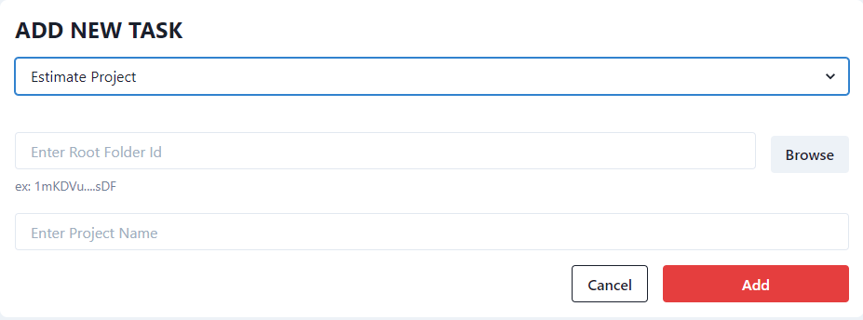
 | ① CREATE NEW ESTIMATE PROJECT Tạo folder dự án theo bộ Estimation Project Folder:
 | 1. | Log in bằng tài khoản mail của công ty (@sun-asterisk.com)
 | 2. | G Drive → Add
 |  | ▪ Optional: Lựa chọn "Estimation Project"
 |  | ▪ Root Folder ID: Folder gốc để chứa folder dự án
 |  | ▪ Project name: tên dự án của bạn
 | 3. | Kiểm tra Folder gốc sau khi copy thành công, giữ nguyên cấu trúc tên thư mục [Project Name][CustomerName] Estimation Project Folder v1.0 và thay Project Name, Customer Name là tên dự án và tên khách hàng của bạn.
 | (*) Lưu ý: chức năng này chỉ để tạo thư mục dự án theo bộ Estimation Project Folder, không phải chức năng sao chép thư mục

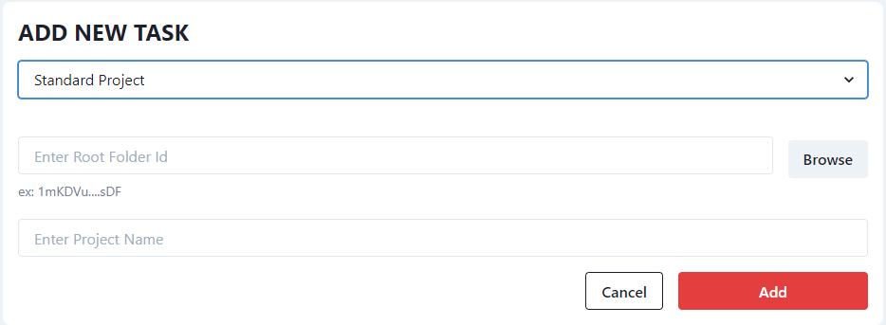
 | ② CREATE NEW STANDARD PROJECT Tạo folder dự án theo bộ Standard Project Folder:
 | 1. | Log in bằng tài khoản mail của công ty (@sun-asterisk.com)
 | 2. | Gsuite → Add
 |  | ▪ Optional: Lựa chọn "Standard Project"
 |  | ▪ Root Folder ID: Folder gốc để chứa folder dự án
 |  | ▪ Project name: Tên dự án của bạn
 | 3. | Kiểm tra Folder gốc sau khi copy thành công, giữ nguyên cấu trúc tên thư mục 000_◯◯◯(ProjectName)_vx.y (DD/MM/YYYY) và thay Project Name là tên dự án của bạn.
 | (*) Lưu ý: chức năng này chỉ để tạo thư mục dự án theo bộ standard project folder, không phải chức năng sao chép thư mục

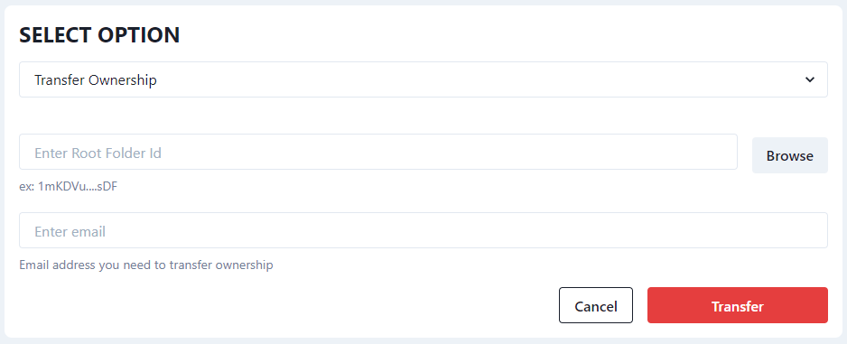
 | ③ TRANSFER OWNERSHIP Chuyển quyền sở hữu (owner) của toàn bộ folder sang người khác
 | 1. | Log in bằng tài khoản mail của công ty (@sun-asterisk.com)
 | 2. | G Drive → Click button "Add"
 |  | ▪ Optional: Lựa chọn "Transfer Ownership"
 |  | ▪ Root Folder ID: Folder được transfer quyền Owner
 |  | ▪ Email: Email của người được transfer quyền Owner
 | (*) Lưu ý: chức năng này chỉ chuyển owner giữa những mail @sun-asterisk.com

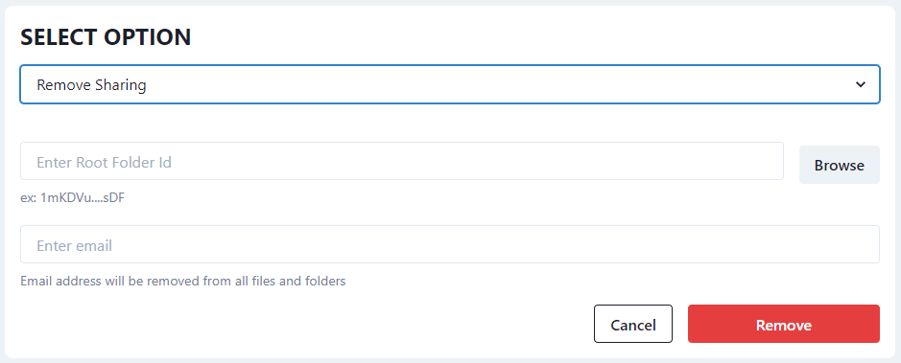
 | ③ REMOVE SHARING Cắt quyền truy cập của user @sun-asterisk.com khỏi folder và files trong folder chỉ định
 | 1. | Log in bằng tài khoản mail của công ty (@sun-asterisk.com)
 | 2. | G Drive → Click button "Add"
 |  | ▪ Optional: Lựa chọn "Remove Sharing"
 |  | ▪ Root Folder ID: Folder cần được remove quyền
 |  | ▪ Email: Email của người cần được remove quyền
 | (*) Lưu ý: chức năng này chỉ cắt được quyền truy cập của user dùng mail @sun-asterisk.com mỗi lệnh chỉ chạy cho 1 mail

Mọi vấn đề liên quan đến tool Sun GSuite Kit, vui lòng liên hệ a [To:452830] Vu Xuan Dung さん hoặc [To:1328283] Vu Phuong Anh (Fani 91) để được trợ giúp

